Sheet1
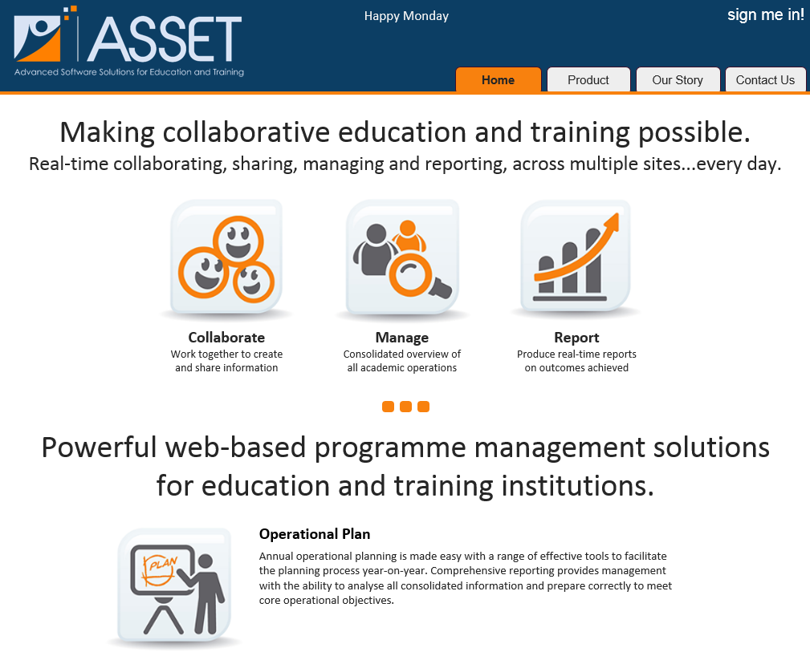
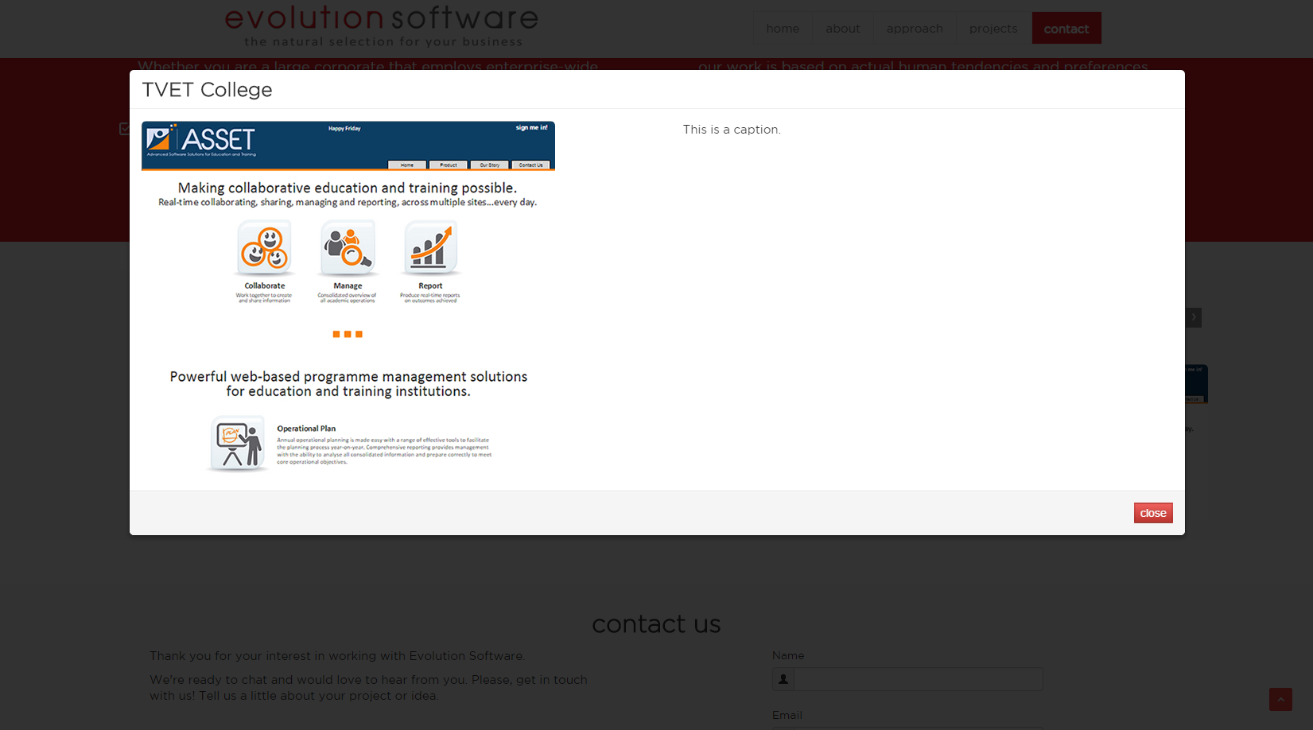

ASSET (Education and Training Program Management)

Client / Sector:
Education and Training Providers
Purpose:
- Enable collaborative education practices between departments and campuses
- Real-time communication between staff and management
- Secure sharing and storage of student assessments (tests, tasks and exams)
- Central repository for crucial documentation
- Consolidated reporting across all academic operations
Technologies:
ASP.NET, C#, jQuery, AJAX, etc... (we can get confirmation of these)
URL:
www.assetonline.co.za

DIMSProp (Property Drawing Management)

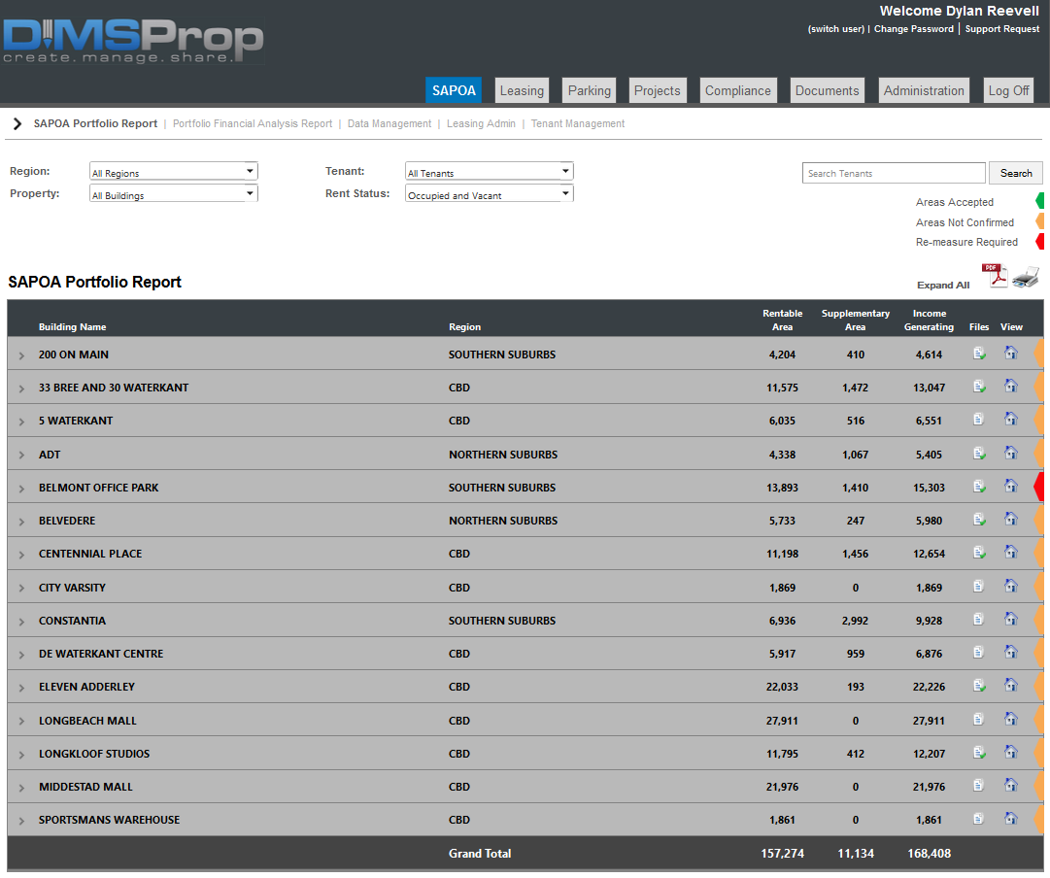
Client / Sector:
Property Owners and Property Management
Purpose:
- Accurate SAPOA rentable area calculations
- Building occupational compliance management
- CAD drawing management
- Real-time reporting on changes made to drawing and tenants
- Secure central repository for drawing documentation
- Share relevant information with external stakeholders (tenants / contractors)
- Consolidated reporting across all regional and national operations
Technologies:
ASP.NET, C#, jQuery, AJAX, etc... (we can get confirmation of these)
URL:
coming soon

Global Wellness Chiropractic (Patient Management System)

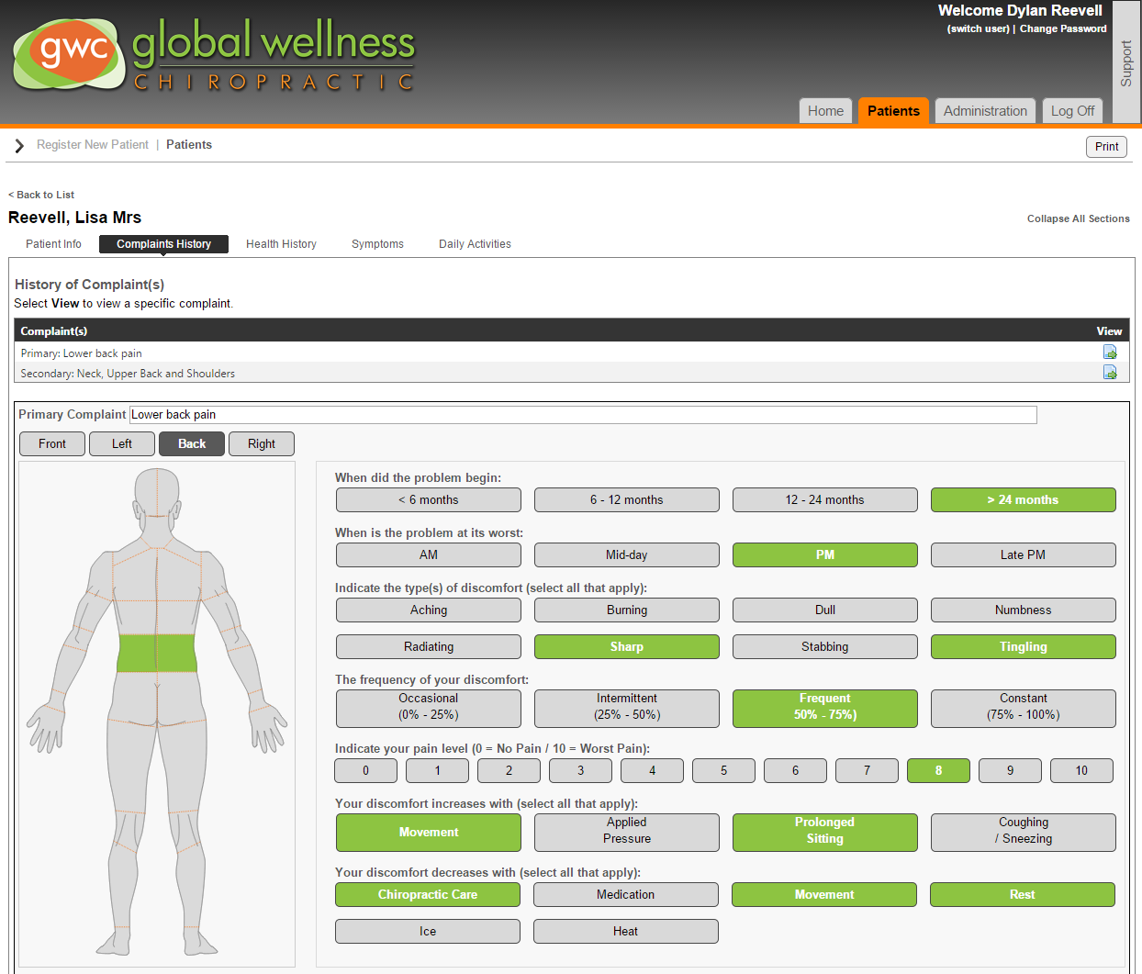
Client / Sector:
Global Wellness Chiropractic / Medical Practices
Purpose:
- Ease of new patient registrations (online)
- Real-time access to patient details via mobile device (iPad)
- Patient wellness assessments via intuitive tools
- Secure central repository for patient documentation
- Central calendar function for multiple rooms and doctors
- Central access for multiple practice locations
- Consolidated reporting across multiple practice locations
- Website presence to advocate practice and services
Technologies:
ASP.NET, C#, jQuery, AJAX, etc... (we can get confirmation of these)
URL:
www.aligned.co.za

